Sheet1
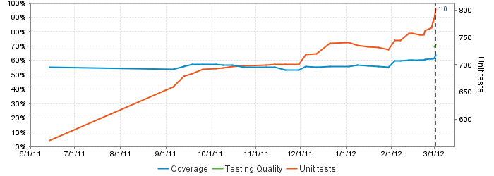
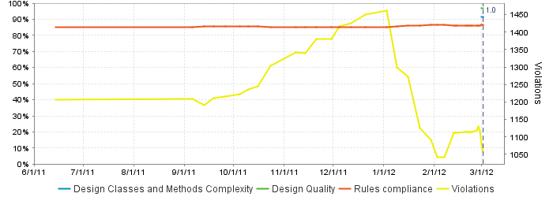
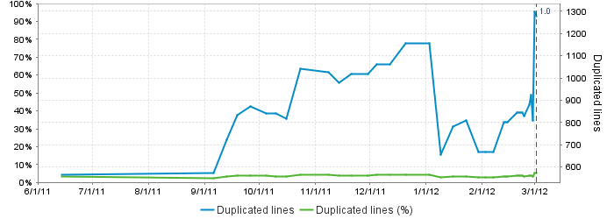
Code Test Coverage By Package
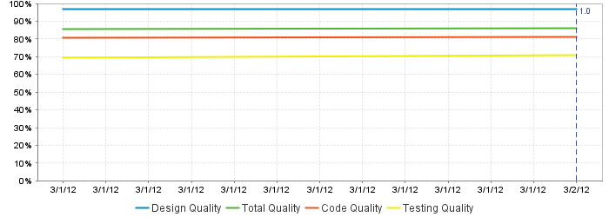
MAP StampStorage Programming Metrics 03/05/2012
StampStorageWeb | 0.00%
MesParser | 17.10%
MesProxy | 41.20%
StampStorageDomain | 72.70%
StampStorageService | 92.50%
Device | 88.30%
Total Code Coverage | 63.70%

